Sheet1
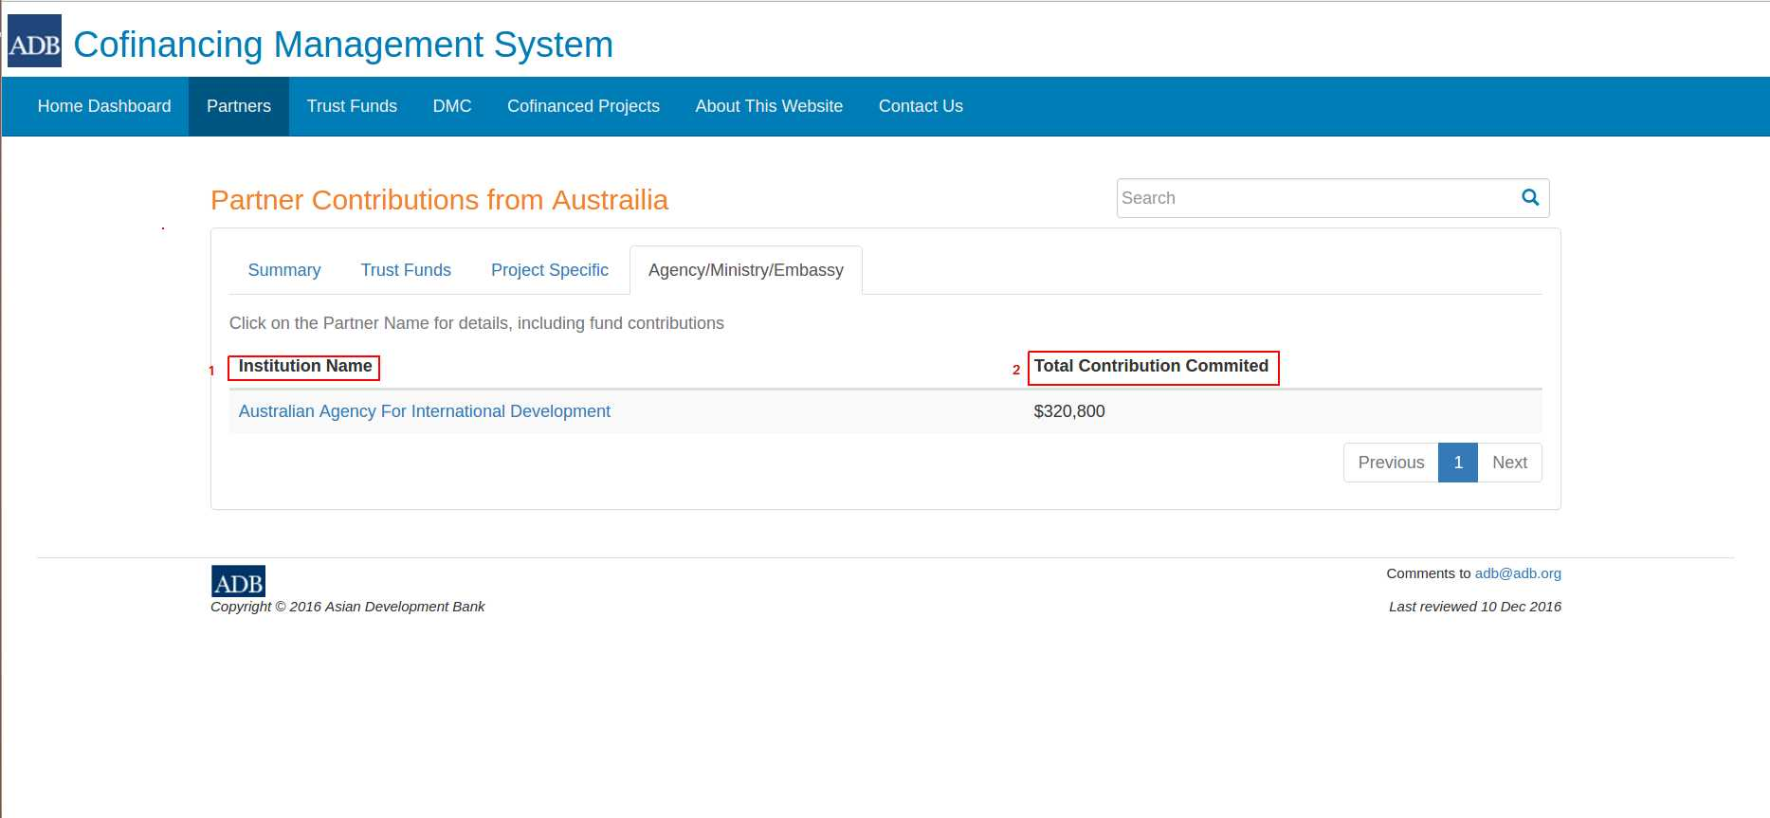
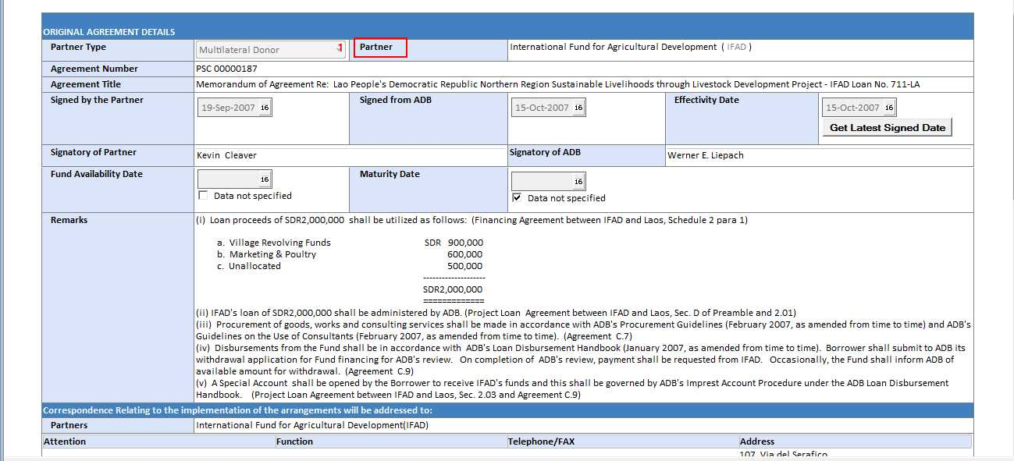
Web Field | CoMs Encoding Field
Institution Name | Original Agreement – Partner
Contribution Commited | Original Ammendment/Ammendment – Contribtions Tab - $US Equiv. (Applies both to Trust Funds and PSCs | Sum of $US Equiv of from all Original Agreements and Ammendments from Partner for boith Trust Funds and PSC

